Source-Map
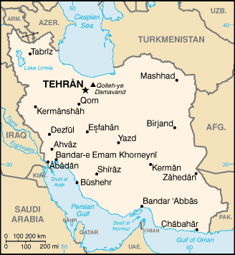
https://simple.wikipedia.org/wiki/List_of_cities_in_Iran

